FA bugs
FA Bugs | Priority | Done?

Finish setting download headers | y

Highlight Sites on mouseover: bigger, RGB 74, 241, 242 |  | y?

"Scientific name" radio button in Species dropdown doesn't work

Eventually get the dropdowns to respond to spatial filter as well?

Cancel button for Species dropdown panel | n
If a species is currently selected and SP panel is opened again, "Close" button has changed to "Go". Still works to close panel, though.

Put graphic object ID in hidden column? | n

If "raw" previously selected in download panel, make sure default file name starts with "Raw" |  | y

selection box issues -- box showing/not showing at inappropriate times | y | y

Prepare links for switching between SZ/FA/SS |  | y

Checking FMP checkbox filters the table on FMP=1 |  | y
Selection of "All" or "FMP" shows up in button text |  | y

The 2 "Show Popups" boxes work differently |  | y | renamed header "Show Popups" to "Show Layer"

Put "Species" label next to SP selection button |  | y

Changes to raw download csv fieldnames: change WebSiteLocation display to Location, move RawSite immediately after SiteID, add RawEvent immediately after EventID |  | y
Add all 5 FMP fields to raw download list |  | y

Popups docked by default |  | y

Change messages from red font color to black (e.g., "Download in progress….." message in download window, "Looking for photo points" and "Site photos can be seen….." messages in photo panel, and "Looking for sites" message in table panel. |  | y

In advance of adding a ShoreStation-like species filter into Fish Atlas, would it be easy to add a search field in the window so that if you want data on capelin you can simply type in capelin rather than having to scroll through the list to find it? Also, might said search tool be able to find walleye pollock if someone were to search for just the word pollock? Likewise, might the search tool be able to bring up both Arctic and Pacific sand lance with a search for sandlance or sand lance? In the event this would be a lot of work, please advise on a timeline for the implementation of a ShoreStation-like species filter |  | pending approval

Think about more generic browser tab name, to cover SZ, FA & SS. Maybe "ShoreZone, Fish Atlas & Shore Stations"? |  | y

FMP filter option not working | y | y
need field name in vw_FishCounts_flat
Also, waiting on new list, possibly with different field name

Regarding the download window, please change the title to Data download, increase the length of the filename area, and add the word Raw to the beginning of the filename when raw is selected. | n | y

The header on the Fish Catch table currently includes SiteID and WebLocation. It would be great to have Region in there, right below SiteID. | n | y

When you click the magnifying glass in the Sites table, the map zooms in to 200m, which doesn't provide much in the way of orientation. I'm thinking 1km might be better. Thoughts? BTW, the scale bar at zoom-in shows 0.2 km in GOA, Aleutians, and Bering - and 200 m in Chukchi and Beaufort. I have no worries about the units; just an FYI. :) | n | y

Photos not coming up | y | y

change the word Hauls to Sets in the Regions table, Sites table, and Sites popup |  | y

Pad SiteID values so they sort correctly | y | y

Update download list (see Word doc) | y | y

I just discovered that while Items and Catch tallies update in response to the sites that are selected, the Hauls and Species tallies don't change. | y | y

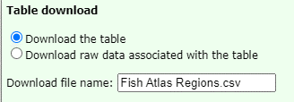

File name should be "Fish Catch for Alaska"?

layers show issue
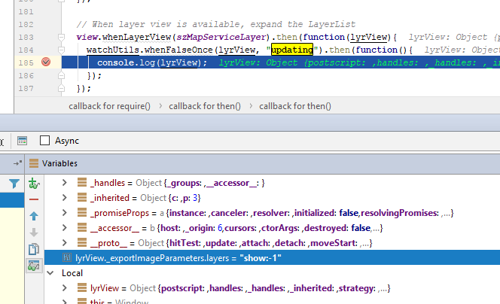
bug: | layers=show:-1 | 4.3
 | layers=show:3 | 4.5

